Transportation Overview
Grants to Projects Bridge: Sample Statewide Transportation Projects |  |  |  |  | Total Sample Statewide Priority 1 Project Costs, Inflation Adjusted |  | $964,363,935
Grants to Projects Bridge Homepage |  |  | Provenance Document

Sample Statewide Transportation Projects: Priority 1 Project Cost Estimates, In Project Year Dollars
Plan / Project List | Kauaʻi | Oʻahu | Molokaʻi | Maui | Lānaʻi | Hawaiʻi | Total Priority 1 Project Costs Per Plan
Bike Plan Hawaiʻi 2020* |  |  |  |  |  |  | $0
Hawaiʻi Pedestrian Master Plan 2013 | $16,407,000 | $9,772,000 |  | $1,763,000 |  | $8,350,000 | $36,292,000
Oʻahu Bike Plan 2019 |  | $106,156,000 |  |  |  |  | $106,156,000
Oʻahu Pedestrian Plan 2021** |  | $547,000,000 |  |  |  |  | $547,000,000
Kapaʻa Transportation Solutions 2015 | $74,686,000 |  |  |  |  |  | $74,686,000
Kauaʻi Public Works 2017 | $152,960,000 |  |  |  |  |  | $152,960,000

Sample Statewide Transportation Projects: Priority 1 Project Cost Estimates, Inflation Adjusted
Plan / Project List | Kauaʻi | Oʻahu | Molokaʻi | Maui | Lānaʻi | Hawaiʻi | Total Sample Priority 1 Project Costs Per Plan, Inflation Adjusted
Bike Plan Hawaiʻi 2020* |  |  |  |  |  |  | $0
Hawaiʻi Pedestrian Master Plan 2013 | $19,450,930 | $11,584,963 |  | $2,090,082 |  | $9,899,144 | $43,025,119
Oʻahu Bike Plan 2019 |  | $115,135,180 |  |  |  |  | $115,135,180
Oʻahu Pedestrian Plan 2021** |  | $547,000,000 |  |  |  |  | $547,000,000
Kapaʻa Transportation Solutions 2015 | $87,243,865 |  |  |  |  |  | $87,243,865
Kauaʻi Public Works 2017 | $171,959,771 |  |  |  |  |  | $171,959,771
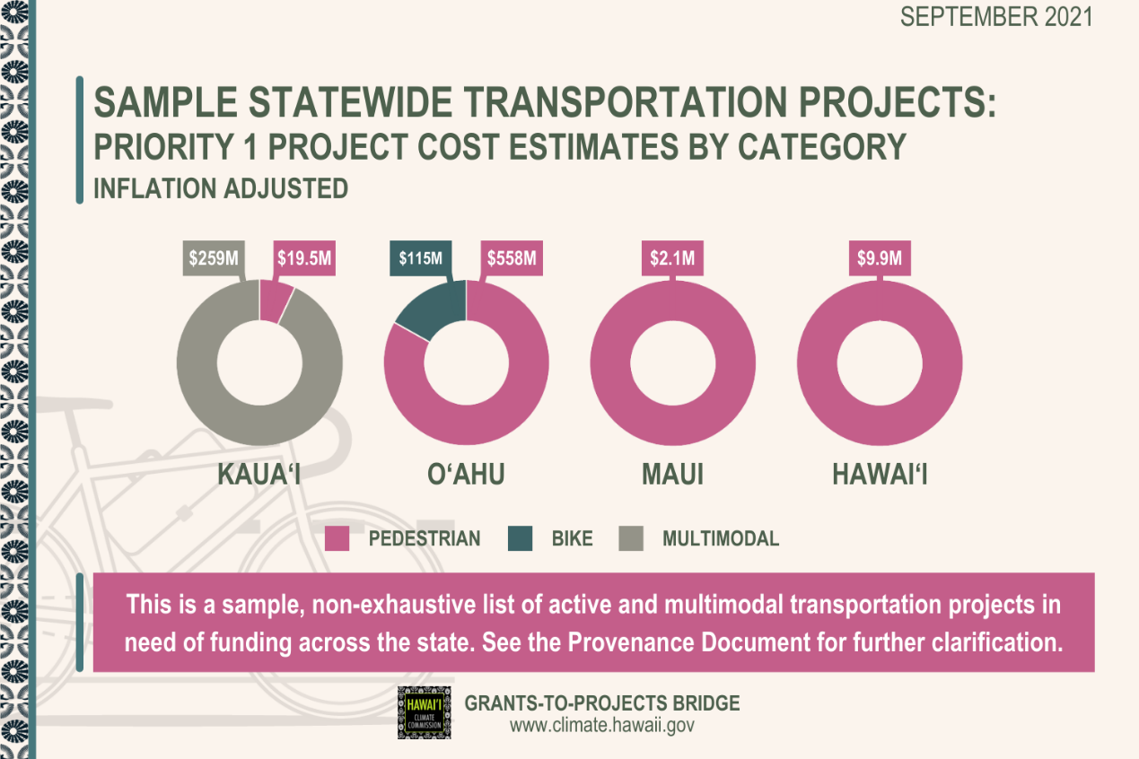
Total Sample Priority 1 Project Costs Per Island, Inflation Adjusted | $278,654,566 | $673,720,143 | $0 | $2,090,082 | $0 | $9,899,144
Total Sample Statewide Priority 1 Project Costs, Inflation Adjusted | $964,363,935

Sample Statewide Transportation Projects: Priority 1 Project Cost Estimates by Category, Inflation Adjusted
Project Category | Kauaʻi | Oʻahu | Molokaʻi | Maui | Lānaʻi | Hawaiʻi | Total Sample Priority 1 Project Costs Per Category, Inflation Adjusted
Pedestrian | $19,450,930 | $558,584,963 |  | $2,090,082 |  | $9,899,144
Bicycle |  | $115,135,180
Multimodal | $259,203,636
Total Sample Priority 1 Project Costs Per Island, Inflation Adjusted | $278,654,566 | $673,720,143 | $0 | $2,090,082 | $0 | $9,899,144

*Bike Plan Hawaiʻi 2020 Update does not currently have cost estimates for its included projects. This will be updated in the full release of the Bike Plan Hawaiʻi 2021.
**Oʻahu Pedestrian Plan 2021 includes one lump sum cost for all New Walkway projects and one for all Walkway Upgrade projects. New Walkways are prioritized by tier, but the cost estimate reflected here includes all priority tiers.
Inflation adjusted to 2021 dollars. Inflation rates calculated from January of past and present years using https://www.bls.gov/data/inflation_calculator.htm.
This spreadsheet accompanies the Grants to Projects Bridge website and the Provenance Document.
This is a sample, non-exhaustive list of active and multimodal transportation projects in need of funding across the state. See the Provenance Document for further clarification.
Information accurate as of September 13, 2021.

